1. Title Page
Basket Analysis

Project Name: Basket Analysis
Date: May 2025
Analyst Name: Valerie Andrade

Contents: | This analysis was conducted on behalf of Instacart, a prominent online grocery delivery service, with the aim of uncovering key behavioral patterns and segmentation opportunities within their customer base. While Instacart already maintains strong sales performance, this project seeks to enhance strategic decision-making by providing deeper insights into customer habits, regional behavior, and product-level trends.
Population Flow
Consistency checks
Wrangling steps
Column derivations
Visualizations
Recommendations

Data sets obtained from CareerFoundry: customers, departments, orders, products, orders_products_prior

2. Population Flow
 | Title page

Population flow

Exclusion flag
Condition: max_order <
Obervations to be removed:
Final total count of order_products_all:

Orders_products_combined
Orders_products_merged
Orders_products_all
32404859
Total: 32,404,859
Total: 32,434,489
Total: 32,404,859

1.) The grey boxes in the first row of the population flow represent the original data sets as they were when you downloaded them. In the Total fields you need to add the count of the rows when you imported the data set into Jupyter.
2.) The second row of boxes (coloured) represents the data sets after you manipulated them, e.g., removed missing values and duplicates. In the Total fields you need to add the count of the rows after conducting these operations. This offers a visual oveview of how the data flows throughout the data consistency checks.
3.) The third row, where also the arrows are coloured, represents the merges you performed between the datasets. In the Total fields you need to add the count of the rows in the merged datasets, so that you end up with the final dataset (in the red box). Keep in mind the final dataset should be without exclusions (based on the exclusion flag).

3. Consistency checks
 |  |  |  | Title page
Consistency checks

Dataset | Missing values | Missing values treatment | Duplicates
orders | days_since previous order missing | None, as they are first time customers | None
products | 16 records of product names | Remove them | 5 duplicates found and removed
orders_products_prior | 206,209 product_id, add_to_cart_ordered, reordered | Remove them from a merge | None
customers | None | Not applicable | None

4. Wrangling steps
 |  |  |  | Title page
Wrangling steps

Columns dropped | Columns renamed | Columns' type changed | Comment/Reason
eval_set |  |  | Do not need information
 | dow to orders_order_dow : orders_day_of_weekdays of the week |  | Clarity
 |  | order_id to string | Do not need numeric values
 |  | user_id to string | Do not need numeric values
 |  | product_id to int | Want numeric values
 |  | add_to_cart_order to int | Want numeric values
 |  | reordered to int | Want numeric values
First_name |  |  | PPI
Surname |  |  | PPI
_merge |  |  | Not needed
unnamed |  |  | Not needed

5. Column derivations
 |  |  |  | Title page

Column derivations and aggregations

In this tab you should add tables below that the frequences of flags/label variables that you produced after deriving them. NB: don't do this for continuous variables, only for flags.
Dataset | New column | Column/s it was derived from | Conditions
ords_prods_merge | price_range_loc | prices | If prices >= 5 then Low-range product; if prices > 5 but <= 15 then Mid range product; if prices > 15 then High range; else Not enough data
ords_prods_merge | busiest_days | orders_day_of_week | Busiest_day is 0. Next_busiest_day is 1. Slowest_day is 4 and Next_slowest_day is 3
ords_prods_merge | busiest_period_of_day | order_hour_of_day | If in [10,11,14,15,13,12] then most orders. If in [19,18,8,17,9,16] then average orders. If in [3,4,2,5,1,0,6,23,22,21,7,20] then fewest orders. Else No information
ords_prods_merge | max_order | order_number for each user_id | Get the max order_number only
ords_prods_merge | loyalty_flag | max_order | If the max is above 40 the string is 'loyal customer', if more than ten and equal/less than 40 then 'regular customer', and if less than 10 then 'new customer"
ords_prods_merge | average_spent | user_id, prices | average price across user's orders
ords_prods_merge | spending_flag | average_spent | If the mean of the prices of products purchased by a user is lower than 10, then flag them as a “Low spender.” If the mean of the prices of products purchased by a user is higher than or equal to 10, then flag them as a “High spender.”
ords_prods_merge | median_days_since_orders | days_since_prior_order, user_id | Get the median of days_since_prior_order by user_id
ords_prods_merge | order_frequency_flag | median_days_since_orders | If the median of “days_since_prior_order” is higher than 20, then the customer should be labeled a “Non-frequent customer.” If the median is higher than 10 and lower than or equal to 20, then the customer should be labeled a “Regular customer.”If the median is higher than 10 and lower than or equal to 20, then the customer should be labeled a “Regular customer.” If the median is lower than or equal to 10, then the customer should be labeled a “Frequent customer.”
orders_products_customers | Region | STATE | Based on the state column by regions: Northeast, Midwest, South, West
orders_products_customers | low_activity_flag | order_number | if less than 5 then Yes, low active, otherwise no
df_final_active | profile | age, income, department_id, n_dependants | if age < 30 and income < 40000 and dependents == 0: Young Single Adult; elif age < 35 and dependents > 0 and dept in [18, 4, 16]: # dept: baby, produce, dairy: Young Parent; elif 30 <= age < 60 and income >= 80000 and dependents == 0: Affluent Professional; elif dependents >= 2 and dept in [19, 17, 7]: # dept: snacks, household, beverages: Busy Family; elif age >= 60: Senior Shopper; else: General Shopper

6. Visualizations
 |  | Title page

Visualisations

In this tab you should include all the visualtions from Exercises 4.9 and 4.10, alongside the questions from the project brief that they answer. Include any commentary on the relationship between different variables.

The sales team needs to know what the busiest days of the week and hours of the day are (i.e., the days and times with the most orders) in order to schedule ads at times when there are fewer orders

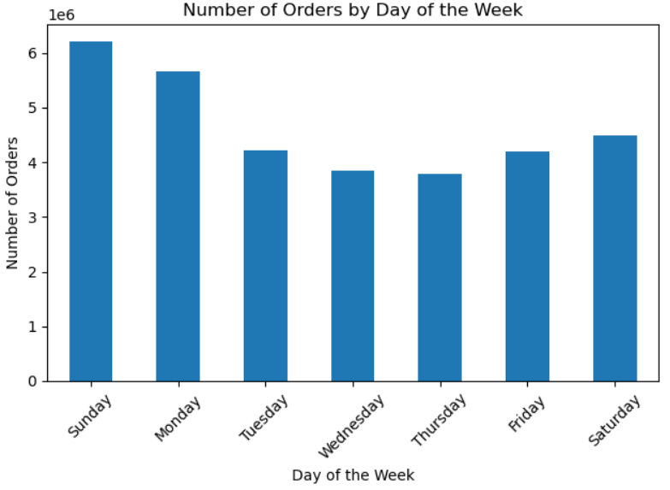

Busiest Day

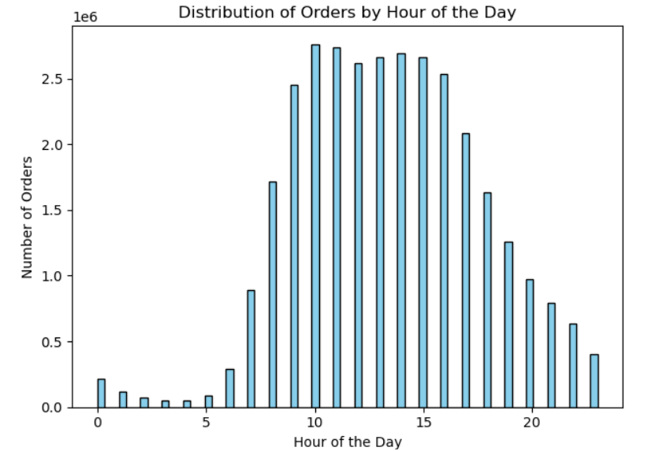

Busiest Hour

They also want to know whether there are particular times of the day when people spend the most money, as this might inform the type of products they advertise at these times.

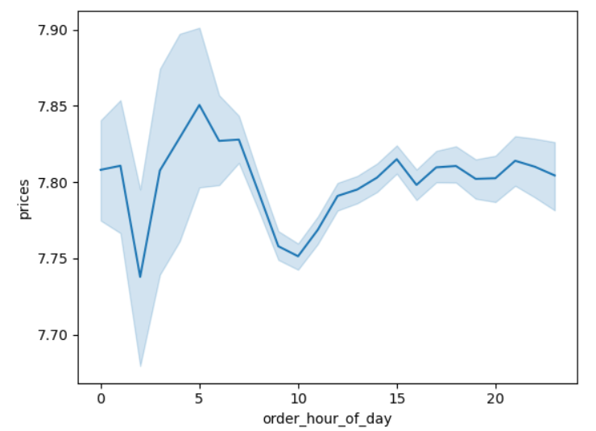
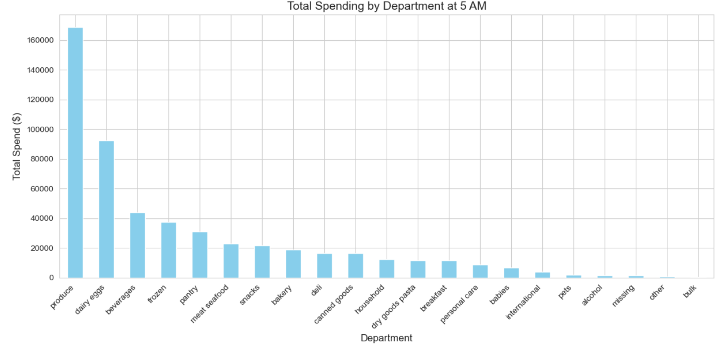

Most spending Hour

Instacart has a lot of products with different price tags. Marketing and sales want to use simpler price range groupings to help direct their efforts.

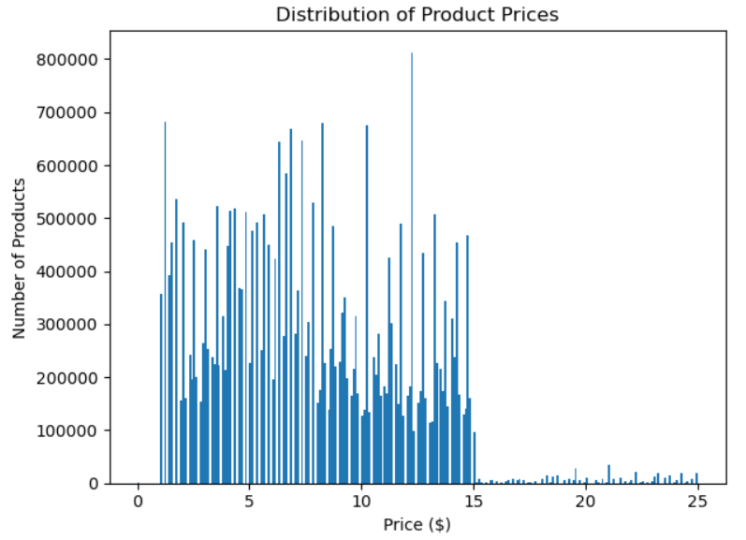

 | Most of the items fall in the Mid-range price and sales would benefit by breaking this group into 5-9 and 9-15

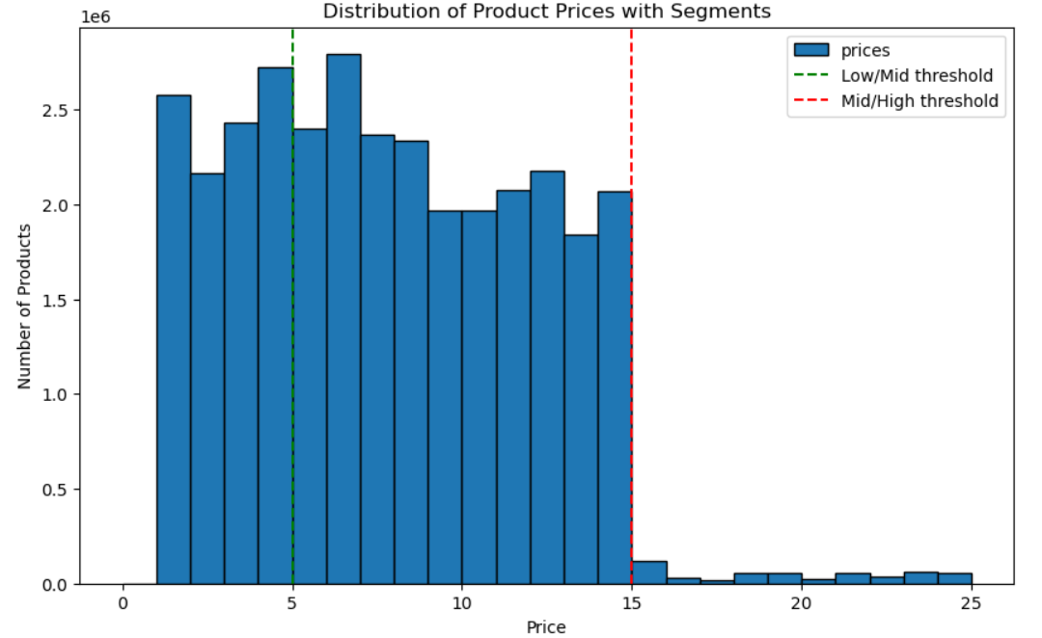

Are there certain types of products that are more popular than others? The marketing and sales teams want to know which departments have the highest frequency of product orders.

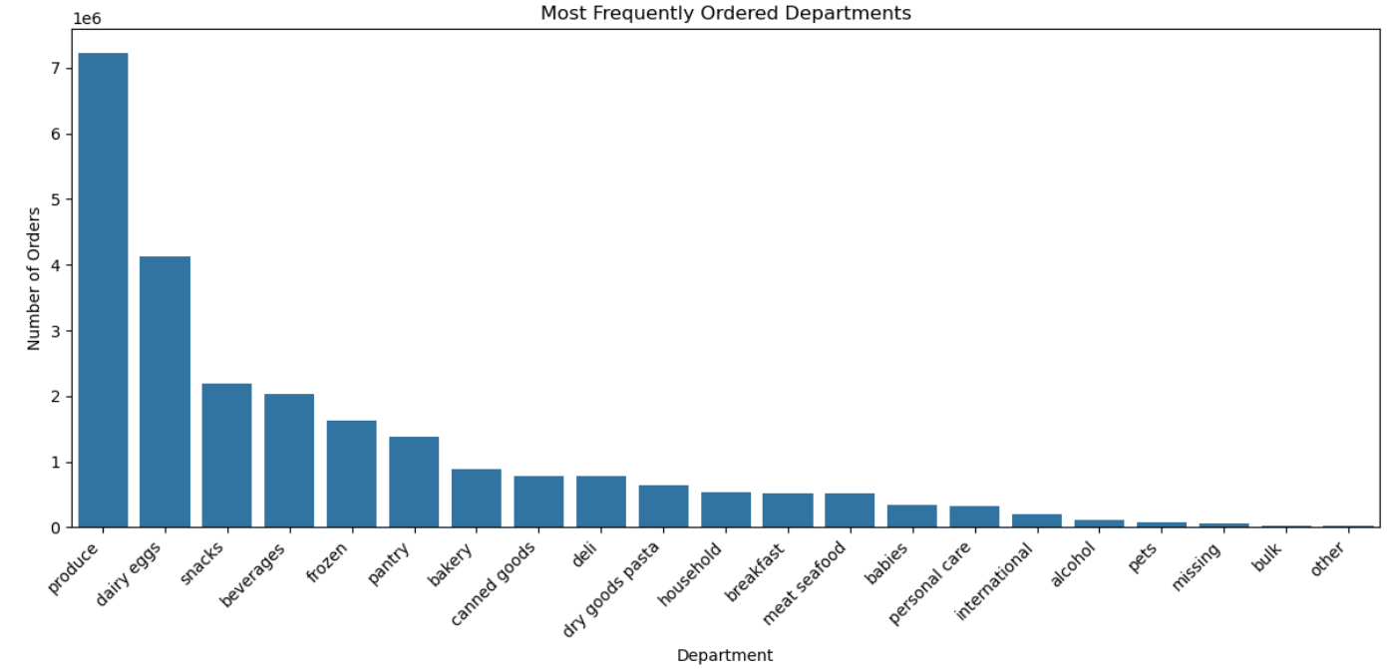

The marketing and sales teams are particularly interested in the different types of customers in their system and how their ordering behaviors differ. For example:

What’s the distribution among users in regards to their brand loyalty (i.e., how often do they return to Instacart)?

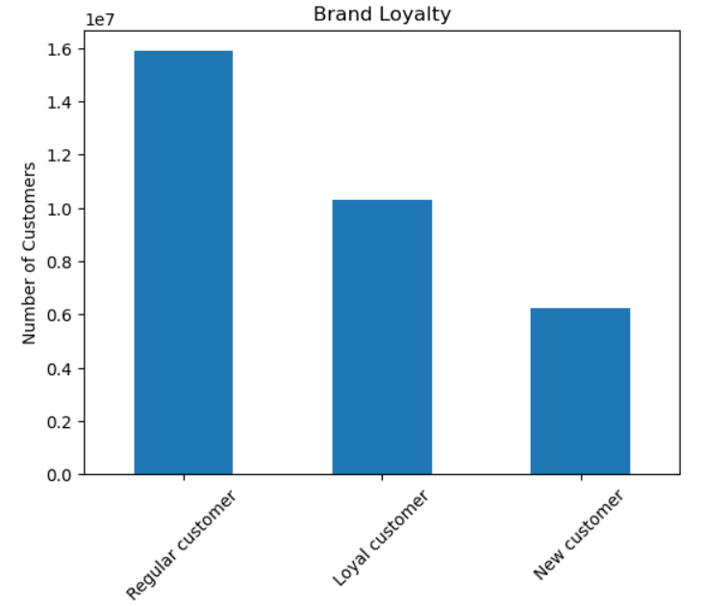

Are there differences in ordering habits based on a customer’s loyalty status?

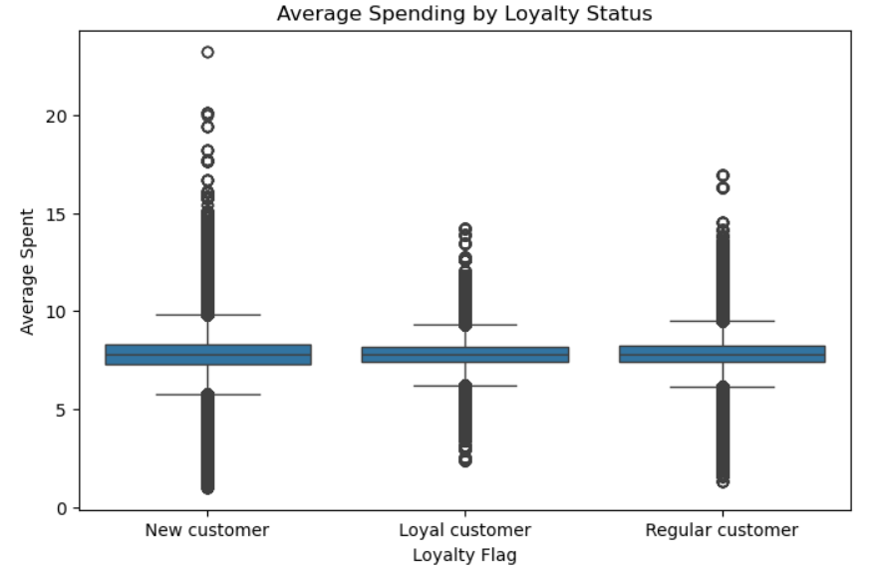

Are there differences in ordering habits based on a customer’s region?

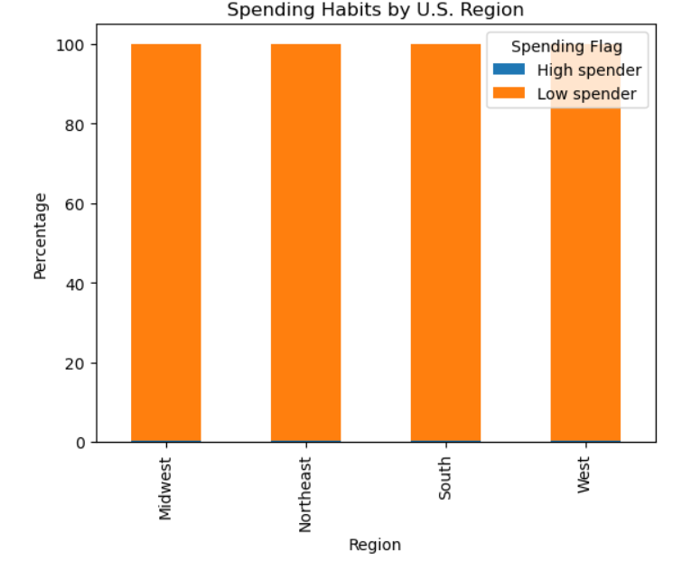
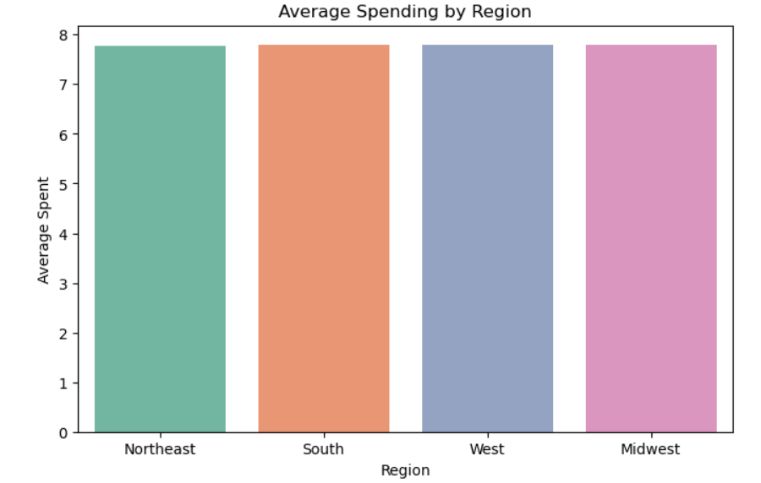
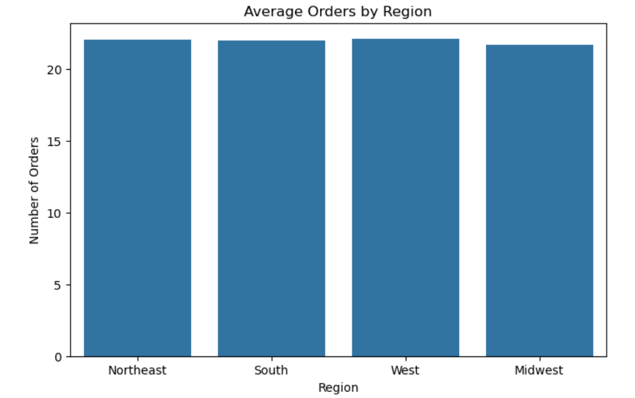

Is there a connection between age and family status in terms of ordering habits?

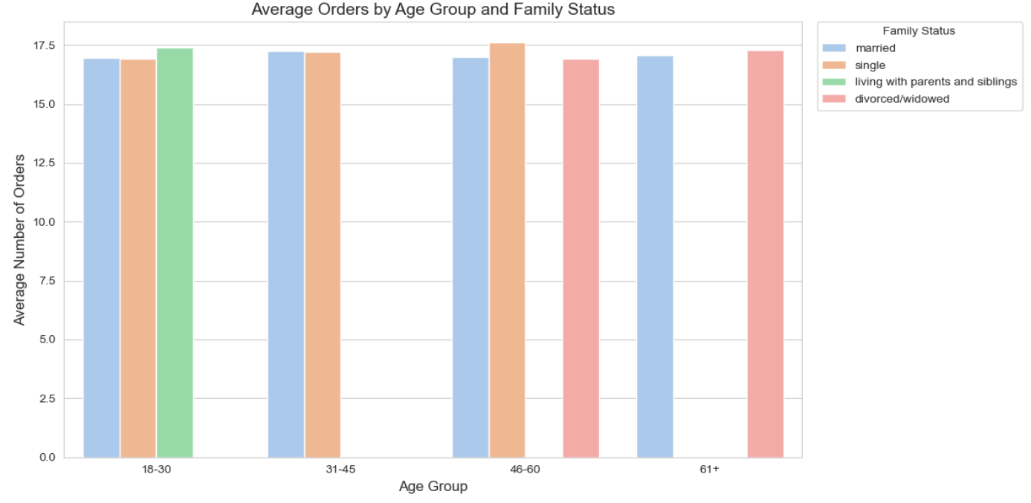
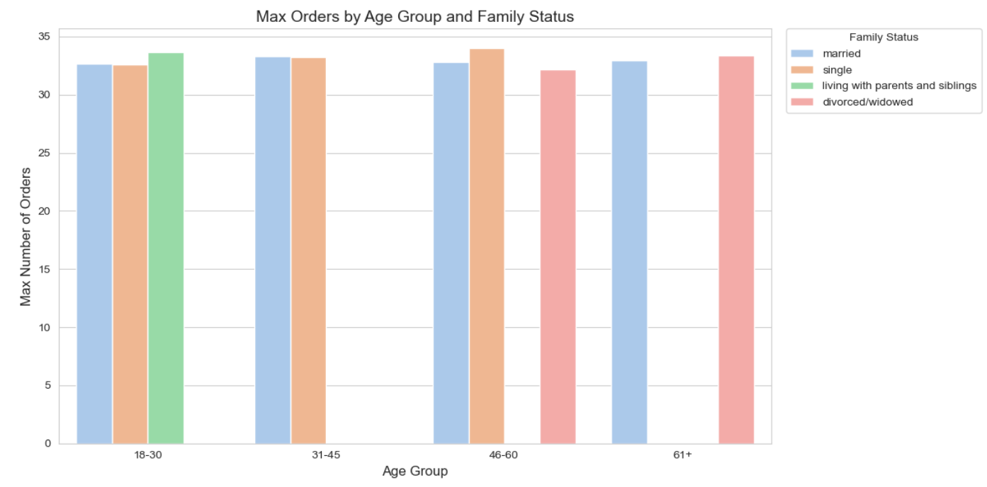

What different classifications does the demographic information suggest? Age? Income? Certain types of goods? Family status?

What differences can you find in ordering habits of different customer profiles? Consider the price of orders, the frequency of orders, the products customers are ordering, and anything else you can think of

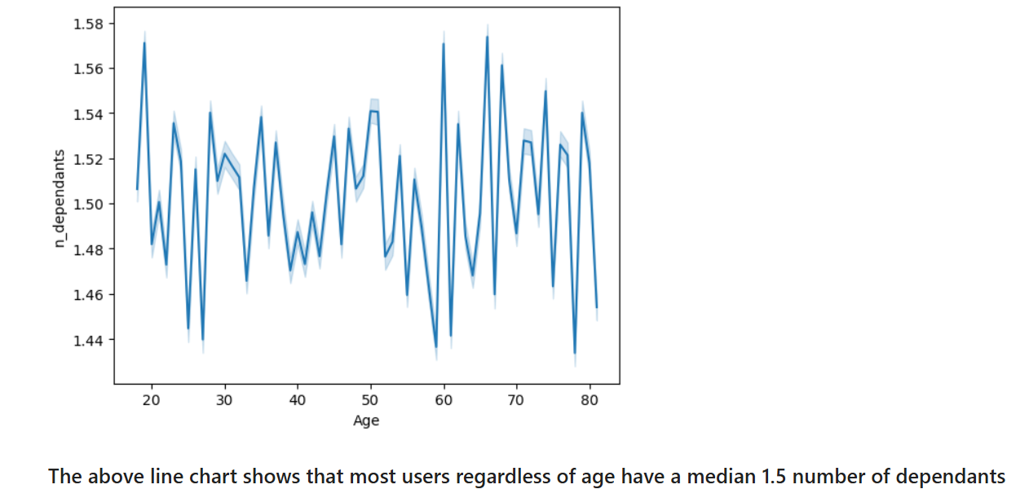

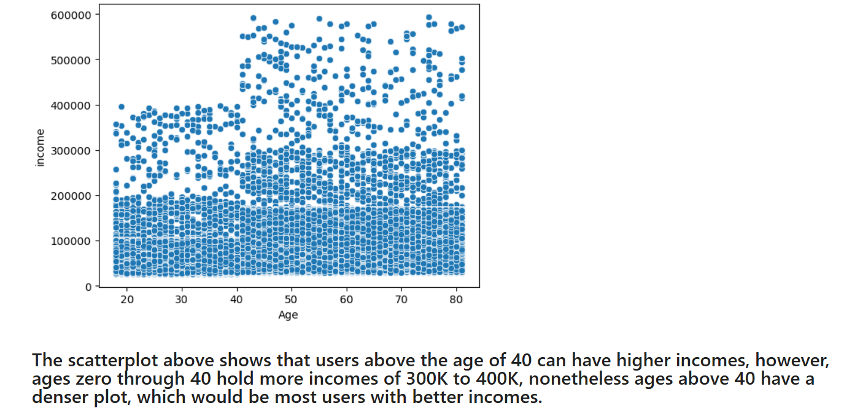

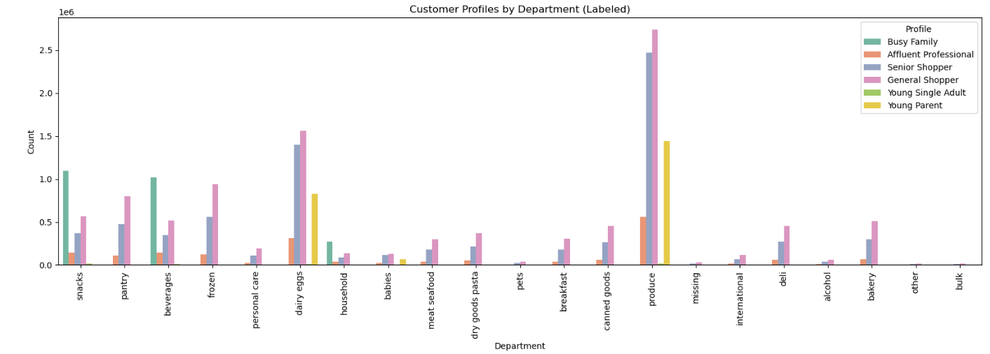

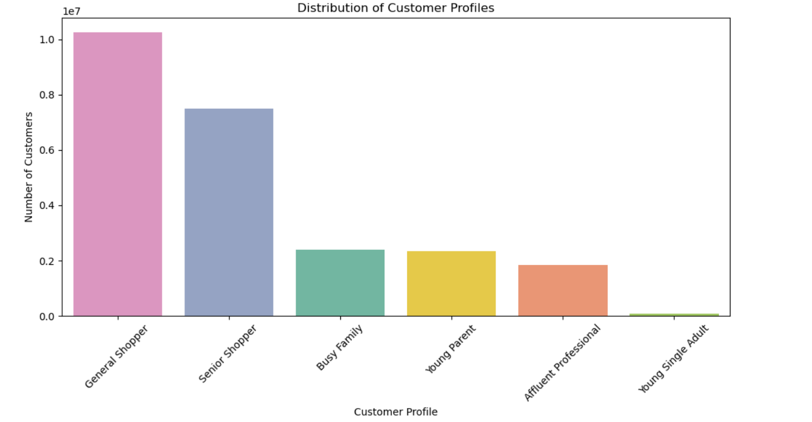

 |  |  | 2,000,000.00

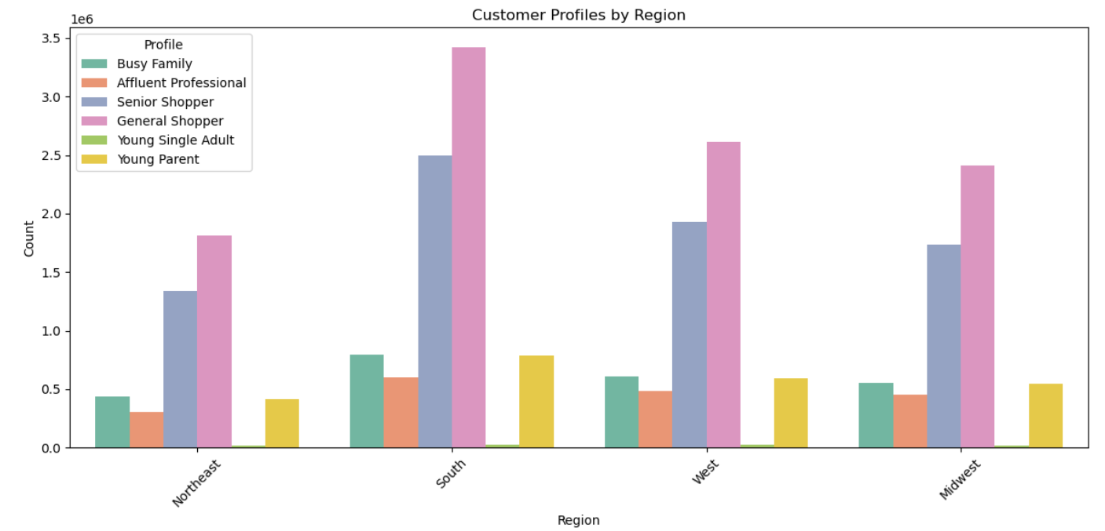

 |  |  |  | General Shopper 10257574 | 10257574 | 42.013449368
 |  |  |  | Senior Shopper 7506622 | 7506622 | 30.745972032
 |  |  |  | Busy Family 2388831 | 2388831 | 9.784285277
 |  |  |  | Young Parent 2334450 | 2334550 | 9.5619586289
 |  |  |  | Affluent Professional 1847000 | 1847000 | 7.5650286298
 |  |  |  | Young Single Adult 80400 | 80400 | 0.32930606488
 |  |  |  |  | 24414977

7. Recommendations
 | Title page

Recommendations

In this tab you should include any recommendations you would made to Instcart in terms of their marketing strategy based on the questions posed in the brief. Every key question has been covered in the Tasks of the Exercises - here you need to add an item - a visualisation or table/crosstable that is showing the answer in the data, acompanied by a comment from you. Please, list the questions below and add the answer underneath.

Key Question 1
The sales team needs to know what the busiest days of the week and hours of the day are (i.e., the days and times with the most orders) in order to schedule ads at times when there are fewer orders

The busiest days are at the start of the week with Sunday being the busiest followed by Monday.
The busiest hours are from 10 am through 3 pm
The best slots to schedule ads would be Wednesdays and Thursdays before and after regular day work hours.
Key Question 2
They also want to know whether there are particular times of the day when people spend the most money, as this might inform the type of products they advertise at these times.

Most spending occurs at 5 am, perhaps upon wakening and placing last minute orders for the day, with most of it being produce.
The products advertised at this time should be produce and dairy/eggs.
Key Question 3
Instacart has a lot of products with different price tags. Marketing and sales want to use simpler price range groupings to help direct their efforts.

Most of the items fall in the Mid-range price of (greater than but less than or equal to 15). It is a large group when most grocery items fall in that catergory.
Sales would benefit by breaking this group into 5-9 and 9-15 for example.
Key Question 4
Are there certain types of products that are more popular than others? The marketing and sales teams want to know which departments have the highest frequency of product orders.

Produce and dairy/eggs are the most often procured categories. Pets and alcohol are the least procured.
To increase sales I would suggest to show ads for produce and dairy/eggs first thing in the morning when impulse buys take place and pets and alcohol during the busiest hours when they miss their pets or want to leave work.

Key Question 5
The marketing and sales teams are particularly interested in the different types of customers in their system and how their ordering behaviors differ. For example: ○ What’s the distribution among users in regards to their brand loyalty (i.e., how often do they return to Instacart)? ○ Are there differences in ordering habits based on a customer’s loyalty status? ○ Are there differences in ordering habits based on a customer’s region? ○ Is there a connection between age and family status in terms of ordering habits? ○ What different classifications does the demographic information suggest? Age? Income? Certain types of goods? Family status? ○ What differences can you find in ordering habits of different customer profiles? Consider the price of orders, the frequency of orders, the products customers are ordering, and anything else you can think of
Most customers are Regular customers, however, the average spending among the loyal statuses remains the same. It is worth noticing that a new customer is viable to spend more on their first time, whereas a loyal customer will not spend on High-range value items.
There are no differences as to how much the regions accros the U.S. spend, however, the Midwest does have a slightly below average number of orders put in the app.
Affluent Professionals with higher incomes and middle aged spend the most b ut they only account for 7.7% of the shoppers. They will spend more on produce and dairy/eggs but also show spending on most other categories.
Senior shoppers account for 30% of the total shoppers. The southwest region has the most seniors likely reflecting a demographic trend like retirees in warm climates. Seniors spend the most on produce and dairy/eggs.
Busy families spend on snacks, beverages and household items. They represent 9.8%.
Young parents are 9.6% of the shoppers and will spend mostly on produce and dairy/eggs. The babies deparment is shopped by General shoppers and Senior shoppers.
General shoppers will spend the most over any other shopper by department. It is possible that different criteria applied to this profile can enhance potential marketing interests.

